Лист1
Серьезность | Приоритет | Название | Окружение | Описание | Шаги воспроизведения | Фактический результат | Ожидаемый результат | Примечания
Major | Medium | One Price: Goods cannot be placed in the cart | Windows 11 Pro, Opera v.106.0.4998.70 | The goods that are in the One Price section are not added to the cart after pressing the “Add” button below them, or after clicking on the product and the clicking the add button in the product card that opens on the left. | 1. Open https://promotion.aliexpress.ru/wow/gcp/aer/daily/aer/nn/GNhAhQrcKG?spm=a2g2w.home.shelf_anchor.3.4c3869b9KJNrav&wh_weex=true&_immersiveMode=true&wx_navbar_hidden=true&wx_navbar_transparent=true&ignoreNavigationBar=true&wx_statusbar_hidden=true&_ga=2.5081013.764523752.1707307005-87403125.1704451695 2. Under any goods click “Add” (Alternatively, click on the picture of the chosen goods, and when the product page opens on the right side of the page, click “Add”) 3. Go to cart | The chosen product is not added to the cart | The chosen goods are added to the cart | The goods from the One Price section are promoted on the main page and are the first thing the user sees when they open the main page, so not being able to purchase the goods, the exact same goods that are being promoted, creates very bad user experience. The bug is reproduced in all browsers.

Minor | Low | Promo: some translations are in different languages | Windows 11 Pro, Opera v.106.0.4998.70 | The promo section under the search bar is shown in Russian although English is chosen | 1. Open aliexpress.ru 2. Look at the promo section below the search bar. | The promo section shows some info in Russian | All the information on the website is reflected in the chosen language. | The bug is reproduced in all promo sections (One Price, Chinese brands): clicking on them leads to the pages where some parts are in Russian, no matter what language is chosen
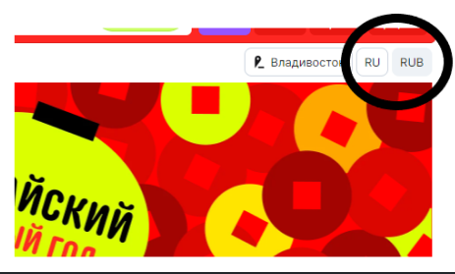
Minor | Low | Main page: Impossible to choose currency if country is set to Russia | Windows 11 Pro, Opera v.106.0.4998.70 | With the country is set to Russia, it is impossible to choose currency | 1. Open aliexpress.ru 2. Click on the currency button 3. In the drop-down menu choose any place in Russia | It is possible to choose language and currency | The currency button becomes inactive, the currency is set to rouble and it is impossible to change it

